Cyan Calcs
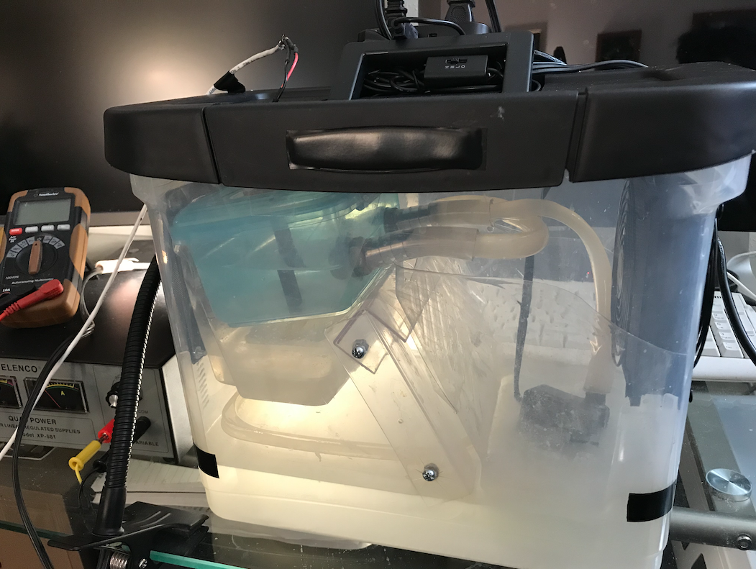
 |  |  | Expected size of device (actual device shown, built into a portable file box) |  | Conversion Factors
Project Cyan - Requirements for Distributed Carbon Capture |  |  |  | 1 | MT | 1 | g C
Dahl Winters, 1/5/2021 |  |  |  | 1.10231 | US tons | 3.664 | g CO2 | https://cdiac.ess-dive.lbl.gov/pns/convert.html
references in Column F and at the bottom |  |  |  | 1 | ton C | 0.083 | mol CO2 | https://cdiac.ess-dive.lbl.gov/pns/convert.html
 |  |  |  | 3.66400 | tons CO2 | 1 | L
Summary: A top-down analysis of how to meet a near-term climate goal via |  |  |  | 1 | m3 | 0.03531467 | ft3
numerous low-cost (<$100), distributed, small-scale direct air carbon capture (DACC) devices. |  |  |  | 35.315 | ft3 | 1 | kg
 |  |  |  | 1000 | L | 2.205 | lb
Goal: Use consumer-available materials with minimal environmental impact. | Key to quantities below:
Simple, low-cost system design that can be done at home. | Blue: Editable Inputs
 | Bold: Outputs
 | Bold and Italic: Important Quantities
Level of Distribution and Flow Rates Needed
 | Quantities |  | Notes | Reference Links
Dimensions of the Problem
Mass of CO2 in metric tons to be sequestered to reach DAC goal by 2030 | 8.16E+06 | MT CO2 | equals 9 million tons by 2030 - exponential trajectory to achieving 2050 emissions goals | https://rhg.com/research/capturing-leadership-policies-for-the-us-to-advance-direct-air-capture-technology/, https://www.youtube.com/watch?v=GvUAnX8RFmA&t=20s
Mass of CO2 in tons needed to be sequestered to reach DAC goal by 2030 | 9.00E+06 | tons CO2
CO2 emissions reduction per year between 2020-2030 needed to reach DAC goal | 816,467 | MT CO2

People Who Can Help Solve the Problem
Number of people in America | 3.32E+08 |  | population as of Nov 27, 2020 | https://www.worldometers.info/world-population/us-population/
Number of people in Europe | 7.48E+08 |  | population as of Nov 27, 2020 | http://www.worldometers.info/world-population/europe-population/
Number of possible participants | 1.08E+09 |  | assumes participants are in developed countries, NA and EU
Fraction of people participating | 0.002 |  | original value = 0.002 as the fraction of people participating
Number of participants | 2,159,260
Devices per person | 1 |  | original value = 1 device per person
Number of devices needed | 2,159,260

Necessary Effort Per Device and CO2 Capture Rates
Mass CO2 in metric tons per device per year needed to be sequestered | 0.3781 | MT CO2/year
Mass CO2 in kg needed to be captured per second | 0.0000 | kg CO2/second
Mass CO2 in g needed to be captured per second | 0.0120 | g CO2/second
Moles CO2 needed to be captured per second | 0.0003 | mol CO2/second
Volume of CO2 needed to be captured per second | 0.0061 | liters/second |  | Hemolung: 72 mL/min at flow rate of 447 mL/min: https://pubmed.ncbi.nlm.nih.gov/21317644/
Volume of CO2 needed to be captured per minute (mL/min) | 365 | mL/min | as an example only; compare to the rate of dialysis machines | dialysis: CO2 removal rates of 100 mL/min possible: https://www.ncbi.nlm.nih.gov/pmc/articles/PMC5383917/
Pct by vol CO2 in ambient air | 0.0412% | already as percent |  | https://www.engineeringtoolbox.com/air-composition-d_212.html
Volume of air needed to get required vol of CO2 per second | 14.7673 | liters/second
Volume of air needed to get required vol of CO2 per second, cubic feet | 0.5215 | cubic feet/second
Volume of air needed to get required vol of CO2 per minute, cubic feet | 31 | cubic feet/minute | 1000 cfm = a small floor fan; 30-70 cfm = 120 mm computer fans | https://knowtheflo.com/high-cfm-fan/

Inputs and Outputs

CO2 Sorbents and How Much Needed - all ambient air, 25 C unless noted
mmol CO2 needed to be captured per hour | 978 | mmol CO2/hr
CO2 absorption of Dowex sorbent, kg CO2 per kg sorbent | 0.0345 | kg CO2/kg sorbent | equals 29 kg sorbent per 1 kg/day CO2, assumes 8 cycles/day | from OpenAir's DACC HACC Design Considerations page
CO2 absorption of Dowex sorbent, g CO2 per g sorbent | 0.0345 | g CO2/g sorbent
CO2 absorption of Dowex sorbent, mmol CO2 per g sorbent | 0.7811 | mmol CO2/g sorbent | calculated to be able to compare against other sorbents
CO2 absorption of moisture swing (MS) sorbent, mmol CO2/g sorbent | 0.8200 | mmol CO2/g sorbent | close to the Dowex which is expected | https://www.researchgate.net/publication/334970095_Sorbents_for_Direct_Capture_of_CO2_from_Ambient_Air
CO2 absorption of NaOH sorbent, tons CO2 per ton sorbent | 1.1111 | tons CO2/ton sorbent | 1 ton of CO2 per 0.9 ton NaOH sorbent reported | https://www.sciencedirect.com/science/article/pii/S0301479712005737
CO2 absorption of NaOH sorbent, g CO2 per g sorbent | 1.1111 | g CO2/g sorbent
CO2 absorption of NaOH sorbent, mol CO2 per g sorbent | 0.0252 | mol CO2/g sorbent
CO2 absorption of NaOH sorbent, mmol CO2 per g sorbent | 25.1698 | mmol CO2/g sorbent | more than 30x the absorption of the Dowex sorbent, assumed for concentrated solid
CO2 absorption of CaO sorbent, g CO2 per g sorbent | 0.2400 | g CO2/g sorbent |  | https://www.sciencedirect.com/science/article/abs/pii/S0016236111006284
CO2 absorption of CaO sorbent, mol CO2/g sorbent | 0.0054 | mol CO2/g sorbent
CO2 absorption of CaO sorbent, mmol CO2/g sorbent | 5.4367 | mmol CO2/g sorbent
CO2 absorption of Ca(OH)2 sorbent, g CO2 per g sorbent | 0.0150 | g CO2/g sorbent | From Table 2, calcium base - see link at right | https://www.researchgate.net/profile/Josefa_Fernandez-Ferreras/publication/282707459_Preparation_and_use_of_calcium_base_sorbents_with_mesoporous_supports_to_capture_CO_2/links/57015d9b08aea6b7746a7c33.pdf
CO2 absorption of Ca(OH)2 sorbent, mol CO2/g sorbent | 0.0003 | mol CO2/g sorbent
CO2 absorption of Ca(OH)2 sorbent, mmol CO2/g sorbent | 0.3398 | mmol CO2/g sorbent
CO2 absorption of Ca(OH)2 sorbent, mmol CO2/g sorbent, upper limit | 11.0000 | mmol CO2/g sorbent | upper limit of actual CO2 absorptions for Ca(OH)2; high temperatures needed to reach | https://www.sciencedirect.com/science/article/pii/S0169433219333288
CO2 absorption of Ca(OH)2 sorbent in saturated aqueous solution, g CO2/(g sorbent * L) | 3.0500 | g CO2/(g sorbent * L) | Note: this is an experiment-derived value for a 30% CO2 mixture for comparison | https://www.researchgate.net/publication/231272927_Carbon_Dioxide_Capture_Using_Calcium_Hydroxide_Aqueous_Solution_as_the_Absorbent
CO2 absorption of Ca(OH)2 sorbent in saturated aqueous solution, mol CO2/(g sorbent * L) | 0.0691 | mol CO2/(g sorbent * L)
CO2 absorption of Ca(OH)2 sorbent in saturated aqueous solution, mmol CO2/(g sorbent * L) | 69.0912 | mmol CO2/(g sorbent * L)
Chosen sorbent, mmol CO2/g sorbent | 5.5000 | mmol CO2/g sorbent | chosen sorbent is Ca(OH)2, upper limit of 11 mmol CO2/g sorbent and we choose 50% of that
Mass in g of sorbent needed per hour | 178 | g sorbent/hr
Mass in kg of sorbent needed per day | 4.2668 | kg sorbent/day
Mass in lbs of sorbent needed per day | 9.4083 | lbs sorbent/day

Carbon Capture Product to Store
Gram molecular weight of Ca(OH)2 | 74.0927 | g/mol |  | https://www.convertunits.com/molarmass/Calcium+hydroxide
Moles Ca(OH)2 needed per hour | 2.3995 | mol Ca(OH)2/hr
Moles CO2 captured per hour | 2.3995 | mol CO2/hr | from Ca(OH)2 + CO2 → CaCO3 + H2O
Moles CaCO3 produced per hour | 2.3995 | mol CaCO3/hr | from Ca(OH)2 + CO2 → CaCO3 + H2O
Gram molecular weight of CaCO3 | 105.9884 | g/mol |  | https://www.convertunits.com/molarmass/Calcium+Carbonate
Mass in g of CaCO3 produced per hour | 254 | g CaCO3/hr
Mass in kg of CaCO3 produced per day | 6.1036 | kg CaCO3/day
Mass in lbs of CaCO3 produced per day | 13.4584 | lbs CaCO3/day

Energy Consumption

1) Fan energy demand | 3 | W | 1000 cfm fan - 12V 80W | https://www.amazon.com/gp/product/B01N90UOOH/ref=ewc_pr_img_2?smid=A3H9C4LFOCKWCW&psc=1
Energy in kWh through fan use per hour | 0.0025 | kWh
2) Pump energy demand | 3 | W | Size pump so that it equals fan energy consumption, works just right
Number of pumps | 1
Energy in kWh through pump use per hour | 0.0025 | kWh
Total kWh demand per hour | 0.0050 | kWh | can be met with a solar array of this many kilowatts
Mass in lb of CO2 per MWh | 947.2 | lb CO2/MWh | EPA emission factor from 2020 for electricity, US average | http://carbonfund.org/wp-content/uploads/2020/06/EPA-ghg-emission-factors-hub-2018-Mar-2020.pdf
Mass in lb of CO2 per kWh | 0.9472 | lb CO2/kWh
Mass in lbs of CO2 emitted through device use per hour | 0.0047 | lb CO2/hr
Mass in kg of CO2 emitted through device use per hour | 0.0022 | kg CO2/hr

Material Transportation Costs and Emissions

CO2 emissions of all of Amazon's deliveries for 2017, worldwide | 1.91E+07 | MT CO2 | 19.1 million metric tons = all of Amazon's deliveries for 2017 | https://www.seattletimes.com/business/amazon/amazon-employees-push-company-to-act-faster-on-climate-change-and-disclose-more/
Assume material transportation required is equivalent to this fraction of Amazon's deliveries | 0.01 |  | original value = 0.01
Mass in metric tons of CO2 emitted by material transportation to supply all devices | 191,000 | MT CO2
Annual CO2 sequestration goal | 816,467 | MT CO2
Fraction of annual goal consumed by transportation emissions for all devices | 0.2339
Mass in metric tons of CO2 assumed emitted by material transportation per device, per year | 0.0885 | MT CO2/yr
Mass in kg CO2 assumed emitted by material transportation per device, per year | 88.4562 | kg CO2/yr
Mass in kg CO2 assumed emitted by material transportation per device, per hour | 0.0101 | kg CO2/hr

Emissions Removed vs Created by Device Operation

Mass in kg of CO2 emitted through device use per hour | 0.0022 | kg CO2/hr
Mass in kg of CO2 emitted through transportation of input material per hour | 0.0101 | kg CO2/hr
Mass in kg of CO2 removed by the device per hour | 0.0432 | kg CO2/hr
Ratio of mass CO2 removed to mass CO2 emitted by device use | 3.5241

Input Costs

Cost of Ca(OH)2 per metric ton | 80.00 | $/MT | major input | https://www.alibaba.com/trade/search?fsb=y&IndexArea=product_en&CatId=&SearchText=calcium+hydroxide
Cost of electricity per metric ton | 11.60 | $/MT | using $0.10/kWh

Similar Systems

Large, Commercial Scale Comparison - CarbonCure
CO2 in metric tons stored to date (5 yrs) by CarbonCure | 98066 | MT | as of Nov 27, 2020 | https://www.carboncure.com/
Percentage of per-year emissions reduction that has been stored to date by CarbonCure | 12.0110% | already as percent
CO2 stored per year, annual average | 19613 | MT
Number of devices needed to equal CarbonCure's annual performance | 51870 | devices

Total System Costs - CO2 from Direct Air | rationale: much easier to distribute the DACC effort to a consumer base; more cost-effective

Amount of limiting input (Ca(OH)2) that can be produced each year | 71,200,000 | MT/yr |  | https://www.globenewswire.com/news-release/2020/10/09/2106082/0/en/Global-Calcium-Hydroxide-Industry.html
Fraction of input devoted to carbon capture | 0.05
Number of devices that can be supported | 9,414,911 | devices
Number of annual CarbonCure-scale efforts that can be supported | 181.51
Input material costs of a device per MT (operating cost) | 80.00 | $/MT/device | includes Ca(OH)2 cost only
Other device operational costs per MT | 61.60 | $/MT/device | electricity + $50 for maintenance, topping off regeneration losses - an estimate
Total cost of materials across N number of devices per year | 504,090,231 | $/yr
Total CO2 sequestered across N number of devices per year | 3,560,000 | MT/yr
Percent of CO2 sequestration goal per year | 436.02%
Dollars that must be spent per metric ton CO2 sequestered | 141.60 | $/MT | effective cost per metric ton accounting for energy and materials inputs

Additional References

CO2 air capture guide | https://www.pnas.org/content/109/33/13156
Techno-economic assessment of separating CO2 from ambient air | https://www.sciencedirect.com/science/article/pii/S0306261918302794
CaCO3 electrolysis to CaOH2 | https://www.pnas.org/content/117/23/12584
MgO and CaO mmol/g uptake | https://pubs.rsc.org/en/content/articlelanding/2016/ta/c6ta03916b#!divAbstract
DAC system design and cost | https://link.springer.com/article/10.1007/s10584-012-0679-y
Calcium looping cost feasibility analysis | https://www.sciencedirect.com/science/article/pii/S1876610214020542
MgO CO2 uptake - very low, <0.01 g CO2/g sorbent | https://www.aidic.it/iscre25/review/papers/118hu.pdf
CaO theoretical g CO2/g sorbent: 0.786 | https://www.sciencedirect.com/science/article/pii/S1876610214020554
Aluminum electrode electrocoagulation - formation of Al(OH)3 | https://www.sciencedirect.com/science/article/pii/S0045653520327661
H2/Cl2 fuel cell - recombining H2 with Cl2 to form HCl, of industrial importance | https://www.deepdyve.com/lp/springer-journals/h-2-cl-2-fuel-cell-for-co-generation-of-electricity-and-hcl-UEo6Ngg9i1
What typically happens when dissolving CO2 in CaCl2 aqueous solution | https://www.quora.com/What-are-the-results-when-Co2-dissolves-in-CaCl2?share=1
HCl hydrolyzes cellulose - creates sugars that can be used for biofuel | https://www.sciencedirect.com/science/article/pii/0141460782900191
HCl neutralized by dissolving waste concrete to calcium chloride and water | https://www.aboutcivil.org/acid-attack-on-concrete.html
Prior work mentions this overall reaction but different design; patent has expired | https://patents.google.com/patent/EP0610781A1/en
Carbonatation process is slow in concrete | https://www.ndtconcrete.net/index.php?option=com_content&task=view&id=66699&Itemid=48
Dry ice production at 13 MT/hour possible | https://www.acpco2.com/en/dry-ice
Emissions-free lime through electrochemistry | https://news.mit.edu/2019/carbon-dioxide-emissions-free-cement-0916

